Elective Definitions
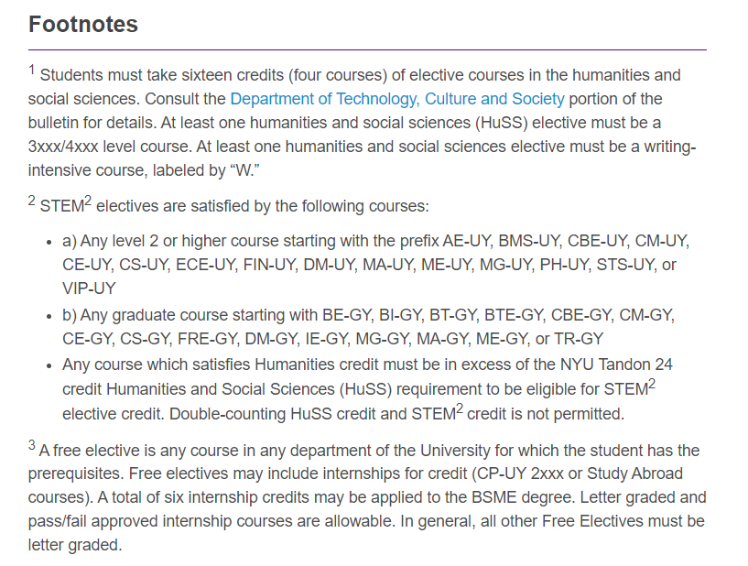

ROB-UY and ROB-GY courses now count as STEM2 electives as well.

